1. Title Page
[Project Name]

Project Name: Instacart Grocery Basket Analysis
Date: 26.05.2023
Analyst Name: Ranjani Padmanabhan

Contents:
Population Flow
Consistency checks
Wrangling steps
Column derivations
Visualizations
Recommendations

Data Citation : “The Instacart Online Grocery Shopping Dataset 2017”, Accessed from www.instacart.com/datasets/grocery-shopping-2017 via Kaggle on [date].

Note : The data used in this project is fabricated for the purpose of this project.

2. Population Flow
Title page

Population flow

Exclusion flag
Condition: max_order < 5
Obervations to be removed: 1440295
Final total count of order_products_all: 30964564

Orders_products_combined
Orders_products_merged
Orders_products_all

Total: 32404859
Total: 32434489
Total: 32404859

1.) The grey boxes in the first row of the population flow represent the original data sets as they were when you downloaded them. In the Total fields you need to add the count of the rows when you imported the data set into Jupyter.
2.) The second row of boxes (coloured) represents the data sets after you manipulated them, e.g., removed missing values and duplicates. In the Total fields you need to add the count of the rows after conducting these operations. This offers a visual oveview of how the data flows throughout the data consistency checks.
3.) The third row, where also the arrows are coloured, represents the merges you performed between the datasets. In the Total fields you need to add the count of the rows in the merged datasets, so that you end up with the final dataset (in the red box). Keep in mind the final dataset should be without exclusions (based on the exclusion flag).

3. Consistency checks
 |  |  |  | Title page
Consistency checks

Dataset | Missing values | Missing values treatment | Duplicates
orders | 206209 missing values in 'days_since_last_order' | Replaced NaN with 0 | No duplicates found
products | 16 missing values in 'product_name' | Dropped the rows with missing values | 5 duplicates found
orders_products_prior | No missing values |  | No duplicates found
customers | No missing values |  | No duplicates found

4. Wrangling steps
 |  |  |  | Title page
Wrangling steps

Columns dropped | Columns renamed | Columns' type changed | Comment/Reason
eval_set' from orders |  |  | Column not needed for further analysis
 | order_dow' from orders to 'orders_day_of_week' |  | For better understanding
 |  | 'order_id' from orders to str | It is an unique identifier and not an integer
 |  | 'user_id' from orders to str | It is an unique identifier and not an integer
surnam' from customers |  |  | Column not needed for further analysis
First Name' from customers |  |  | Column not needed for further analysis
 | 'Gender' from customers to 'gender' |  | For uniformity
 | 'Age' from customers to 'age' |  | For uniformity
 | 'STATE' from customers to 'state' |  | For uniformity
 | 'n_dependants' fromcustomers to 'number_of_dependants' |  | For better understanding
 | 'fam_status' from customers to 'marital_status' |  | For better understanding

5. Column derivations
 |  |  |  |  | Title page

Column derivations and aggregations

In this tab you should add tables below that the frequences of flags/label variables that you produced after deriving them. NB: don't do this for continuous variables, only for flags.
Dataset | New column | Column/s it was derived from | Conditions | Value counts
ords_prods_merge | price_range_loc | prices | prices > 15 : High-range product prices <= 15 & prices > 5 : Mid-range product prices < 5 : Low-range product | High-range : 643582 Mid-range : 21860860 Low-range : 9900417
ords_prods_merge | busiest_day | order_day_of_week | value == 0 : Busiest day value == 4 : Least busy else : Regularly busy | Busiest day : 6204182 Regularly busy : 22416875 Least busy : 3783802
ords_prods_merge | busiest_days | order_day_of_week | value == 0 & 1 : Busiest day value == 4 & 3 : Least busy else : Regularly busy | Busiest day : 11864412 Regularly busy : 12916111 Least busy : 7624336
ords_prods_merge | busiest_period_of_day | order_hour_of_day | value in [10, 11, 14, 15, 13, 12, 16, 9, 17] : Most orders value in [8, 18, 19, 20, 7, 21, 22] : Average orders else : Fewest orders | Most orders : 23205725 Average orders : 7909997 Fewest orders : 1289137
ords_prods_merge | loyalty_flag | max_order (user_id, max(order_number)) | max_order > 40 : Loyal customer max_order <= 40 & max_order > 10 : Regular customer max_order < 10 : New customer | Loyal customer : 10284093 Regular customer : 15876776 New customer : 6243990
ords_prods_merge | spent_flag | avg_price (user_id, mean(prices)) | avg_price > 10 : High spender avg_price < 10 : Low spender | High spender : 634245 Low Spender : 31770614
ords_prods_merge | frequency_flag | median_days (user_id , median(days_since_last_order)) | median_days < 10 : Frequent customer median_days > 10 & median_days <= 20 : Regular customer median_days > 20 : Non-frequent customer | Frequent customer : 22796659 Regular customers : 6921472 Non-frequent customers : 2686728
instacart_data | region | state | according to US Census | South : 10791885 West : 8292913 Midwest : 7597325 Northeast : 5722736
instacart_data | order_flag | max_order (user_id, max(order_number)) | max_order < 5 : Low- activity customer max_order > 5 : High-activity customer | Low-activity customer : 1440295 High-activity customer : 30964564
instacart_data | age_profile | age | age <= 40 : Young age > 40 & age < 65 : Middle-aged age >= 65 : Senior | Young : 11670046 Middle-aged : 12159729 Senior : 8575084
instacart_data | income_profile | incmoe | income <= 75000 : Low income income >= 75000 & income < 125000 : Mid income income >= 125000 : High income | Low income : 10442766 Mid income : 13331136 High income : 8630957
instacart_data | diet | departments | Vegetarian = no orders from department 12, Vegan = 'no orders from departhemts 12 and 16', else: Non-vegetarian | Vegetarian : 8258813 Vegan : 383427 Non-vegetarian : 23762619
instacart_data | pet_status | departments | No_pet = No orders from department 8 Else: Has_pet | No_pet : 28876718 Has_pet : 3528141
instacart_data | alcohol_consumption | departments | Does not drink = No orders from department 5 Else: Consumes alcohol | Does not drink : 29991046 Consumes alcohol : 2413813
instacart_data | dependants | number_of_dependants | number_dependants = 0 : No dependants number_dependants >= 1 : Has dependants | Has dependants : 24307356 No dependants : 8097503

6. Visualizations
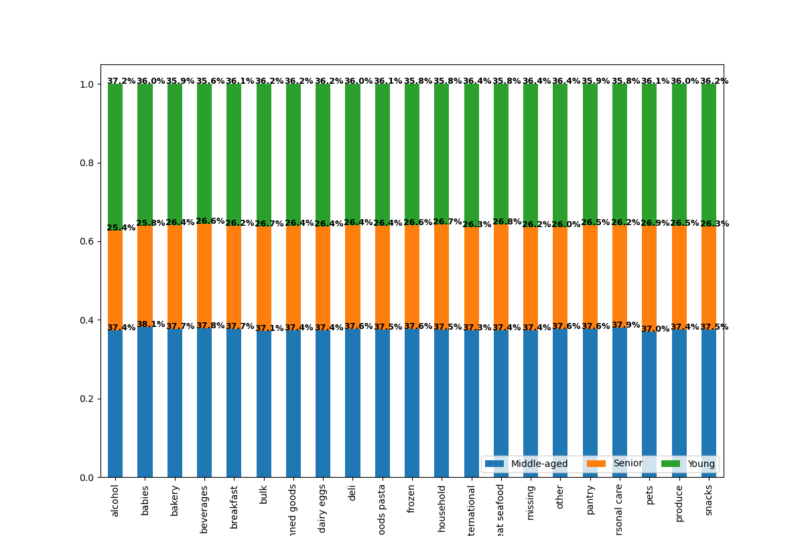
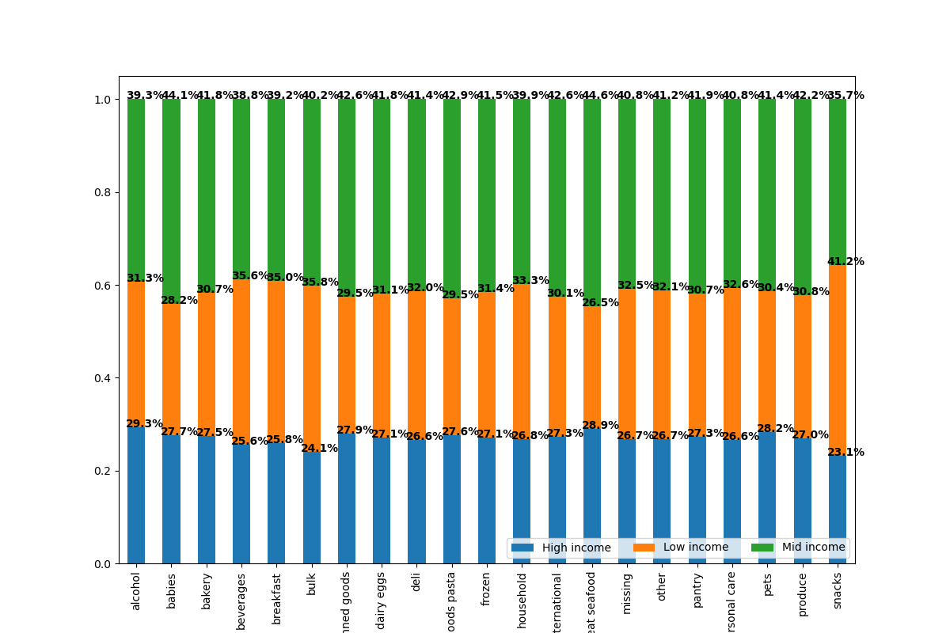
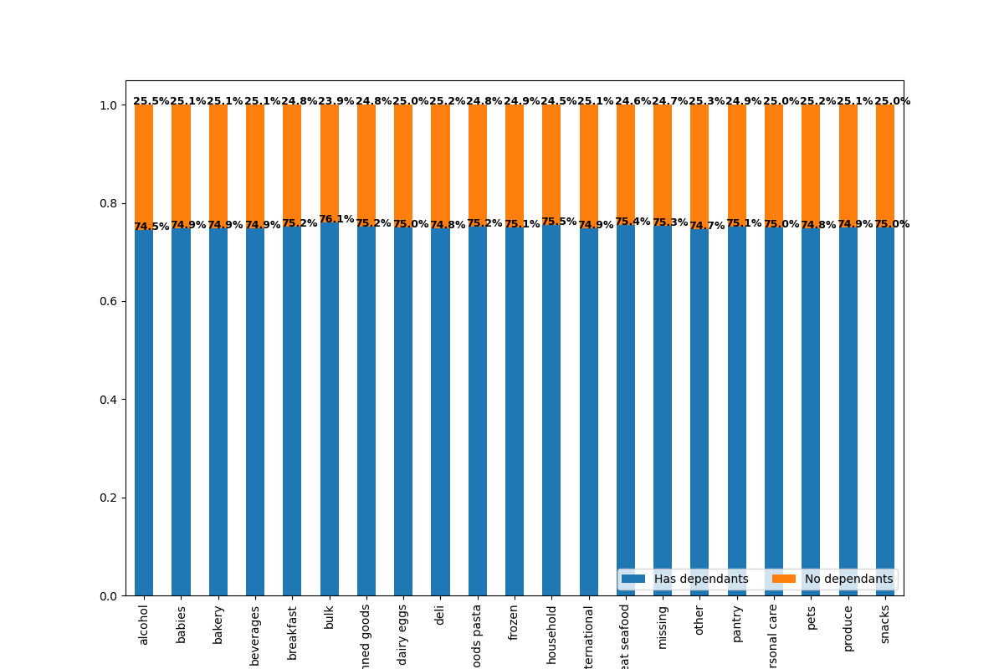
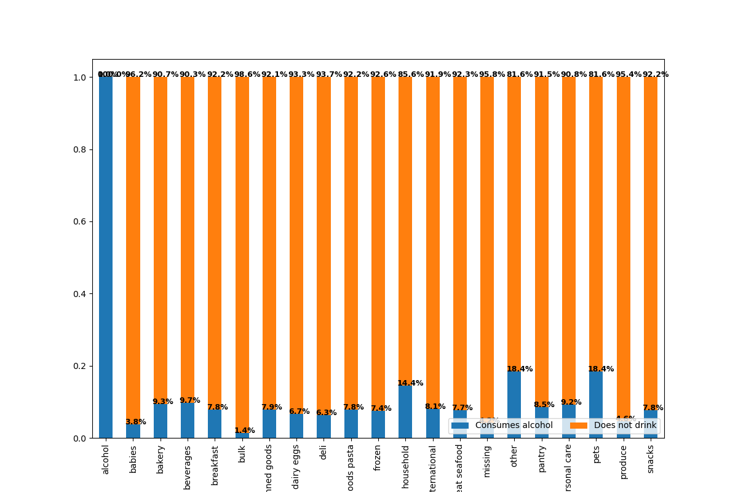
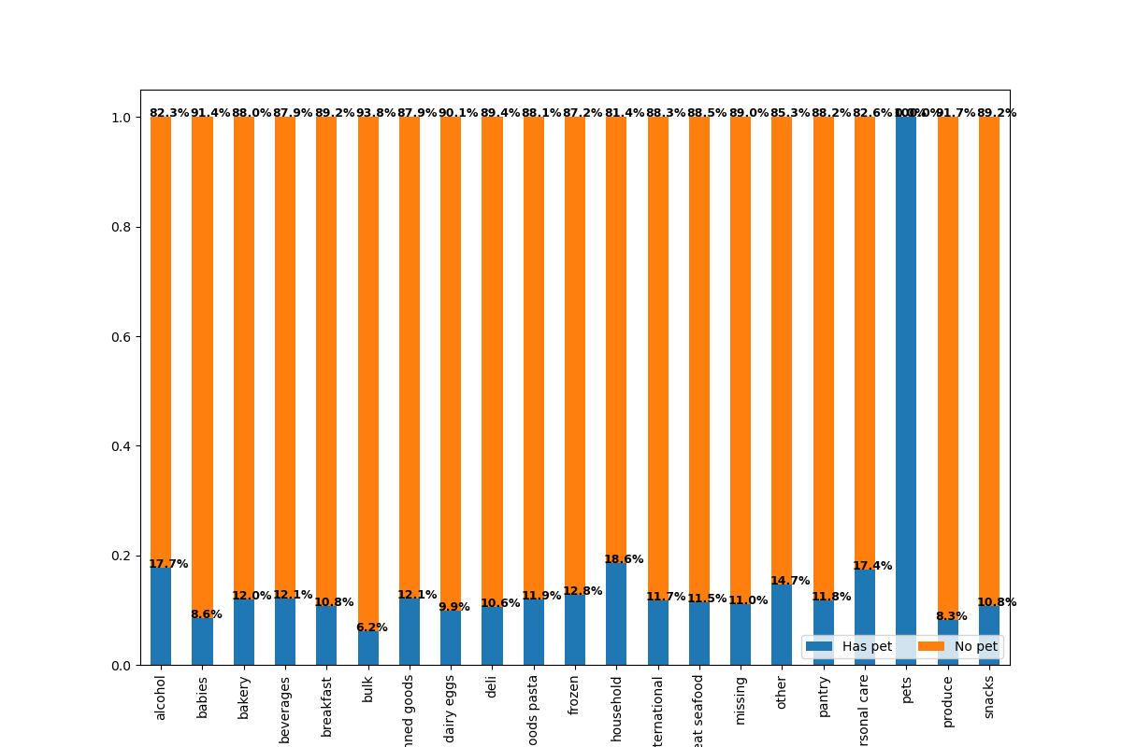
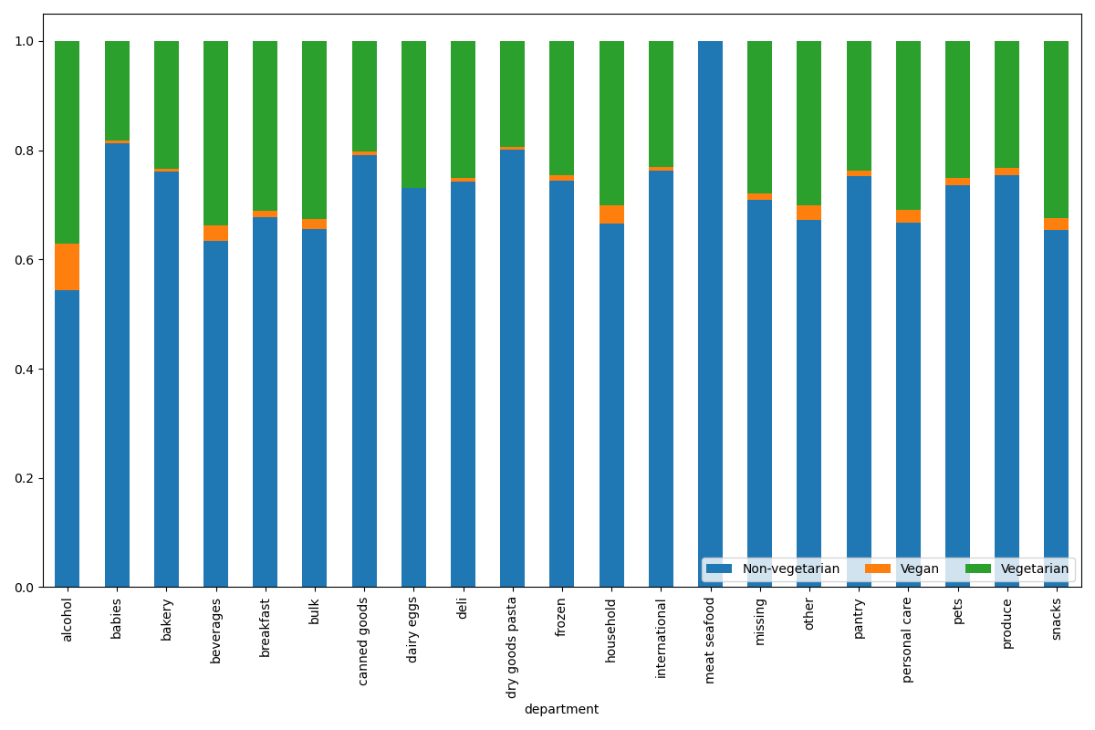
 |  |  |  |  | Title page

Visualisations

In this tab you should include all the visualtions from Exercises 4.9 and 4.10, alongside the questions from the project brief that they answer. Include any commentary on the relationship between different variables.

Key Questions :

1. What are the busiest days of the week and the busiest hours of the day?


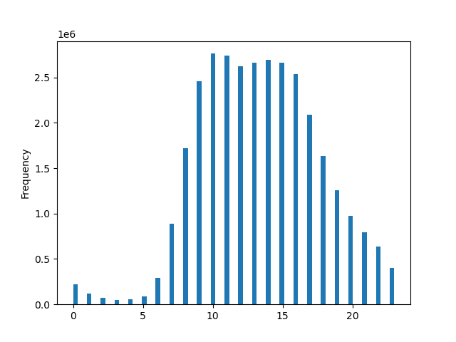

The histogram displays the frequency of orders, i.e, the number of orders purchased by hours of the day.
It can be clearly seen that the busiest hours of the day is between 9.00 AM and 4.00 PM (9.00 - 16.00).
 | 0 | 1 | 2 | 3 | 4 | 5 | 6
 | Saturday | Sunday | Monday | Tuesday | Wednesday | Thursday | Friday

This bar chart shows the busiest days in a week.
It can be clearly seen that Saturday and Sunday are the busiest days, i.e, most number of customers purchase on Saturdays and Sundays.
The least busiest days are Wednesdays and Tuesdays.

2 . Are there particular times of the day when people spend the most money?

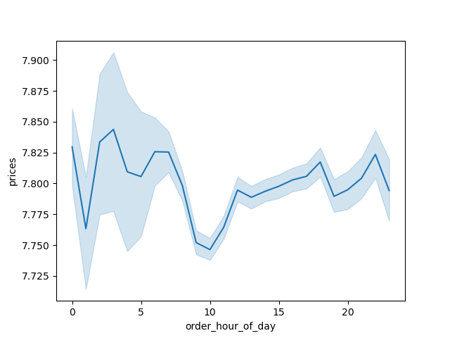

The line chart displays the average price of items ordered by the order hour of the day.
We can see that the average prices for the peak hours (9 AM - 4 PM) are less compared to the other orders.
Although a majority of the orders are received from 9 AM to 4 PM, the average price for each of these orders is less.

3. Instacart has a lot of products with different price tags. Marketing and sales want to use simpler price range groupings to help direct their efforts.
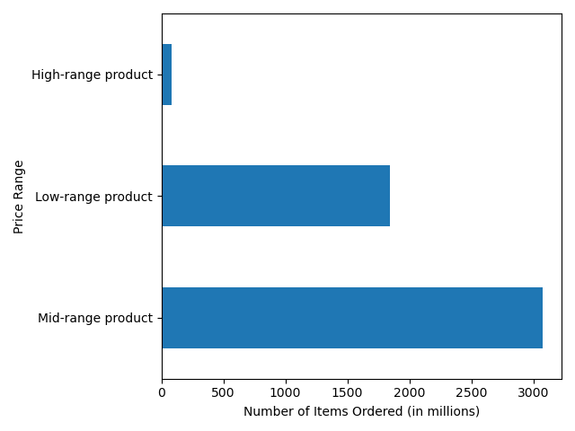

The products are grouped as High-range, Low-range, and Mid-range products based on conditions which can be seen in the Column derivations tab.
The bar graph dispalys the different ranges of products based on their prices. The bar graph is plotted for a sample of data and not the entire data.

4. Are there certain types of products that are more popular than others?
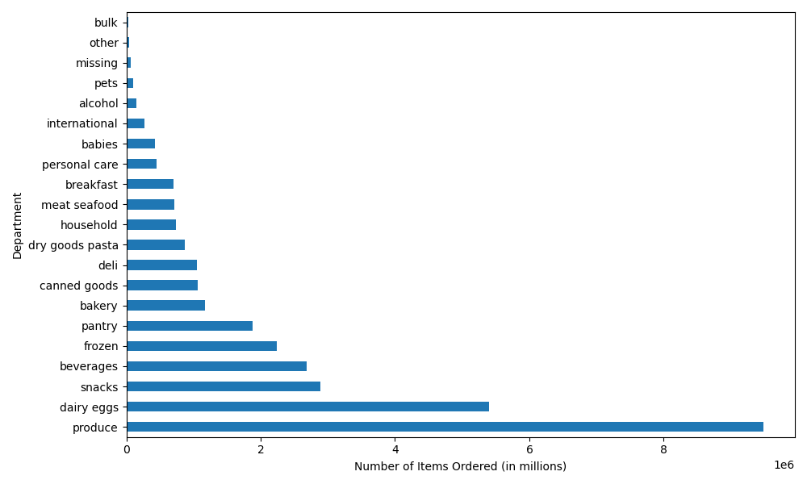

The bar graph shows the number of items sold from each department.
It can be clearly seen that the most number of items are sold in the 'produce' department followed by 'dairy eggs', and 'snacks'.
The least number of items are sold in 'pets', 'alcohol', and 'international' departments.

5.1 What’s the distribution among users in regards to their brand loyalty (i.e., how often do they return to Instacart)?



The bar graph dispalys the different types of customer groups : Loyal customers, Regular customers, and New customers.
Loyal customers are customers who have placed more than 40 orders. Rregular customers are customers who have placed between 10 - 40 orders. New customers are who have placed less than 10 orders.
It can be clearly seen from the graph that Regular customers make up more than 50 % of all customers.

Regular Customer
Loyal Customer
New Customer

5.2 Are there differences in ordering habits based on a customer’s loyalty status?
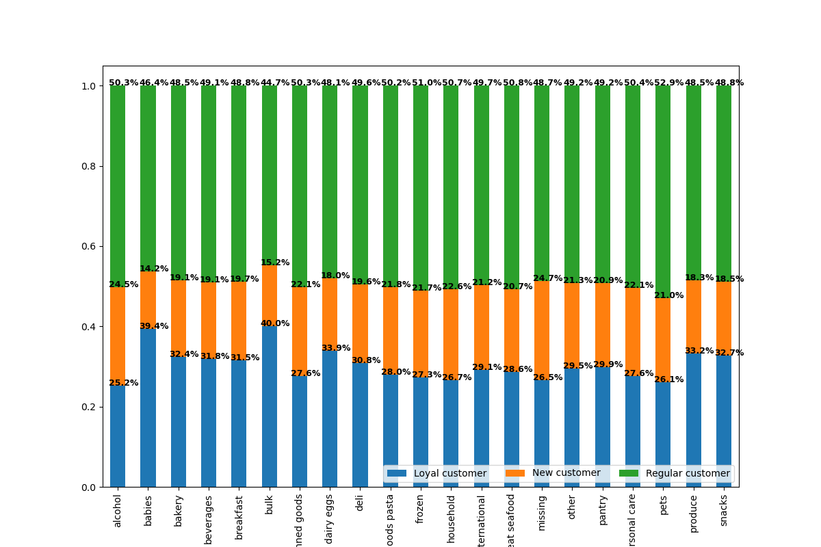

The stacked bar chart shows the percentage of total number of orders for each of the three customer groups.
The Regular customers order the highest percentage of products from each of the different departments when compared to the other two groups.

5.3 Are there differences in ordering habits based on a customer’s region?
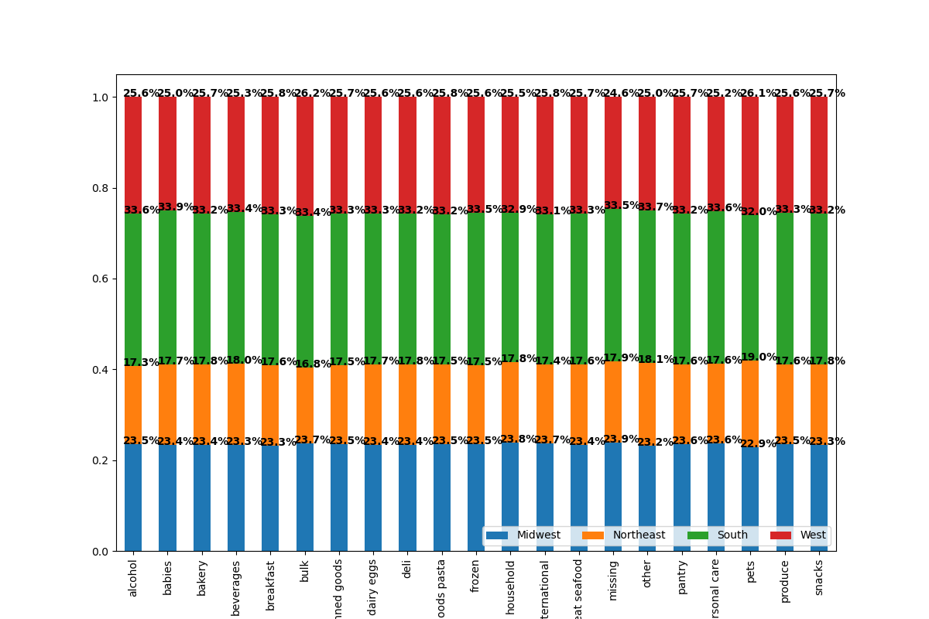

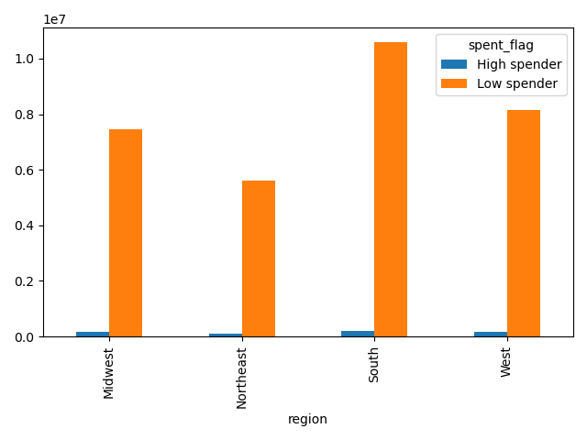
The bar graph displays the proportion of high spenders and low spenders in each region.
It can be clearly seen that the proportion of high spenders is significantly low when compared to the proportion of low spenders in each of the region.
The stacked bar chart dispalys the proportion of products sold for each department for each region.
It can be clearly seen that the highest number of products are ordered in the South, whereas in Northeast the number of products ordered are less when compared to the other three regions.

5.4 Is there a connection between age and family status in terms of ordering habits?




The line chart shows the relationship between the age of the customer and the number of dependants they have.
We cannot make out any significant relationship between the two variables.
The scatterplot shows the relationship between the age of the customer and their total income.
It can be seen from the scatterplot that a majority of people across all age groups have an income of upto 200K. A few people between the ages 20 - 40 earn around 200K to 400K. It is interesting to see that majority of the people above the age of 40 earn almost upto 600K. We can see a pattern that , higher the age then higher the salary.

5.5 What different classifications does the demographic information suggest? Age? Income? Certain types of goods? Family status?
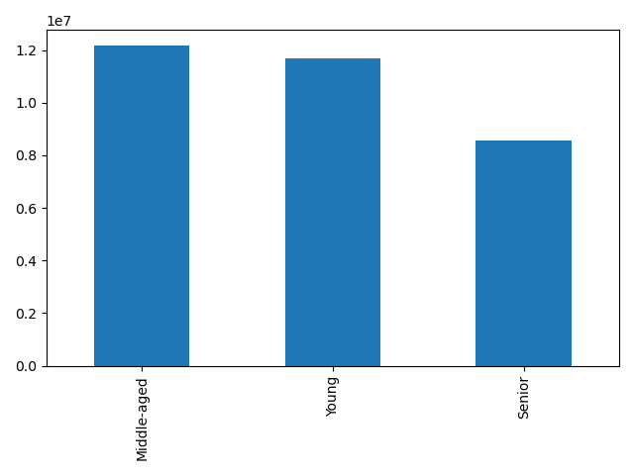
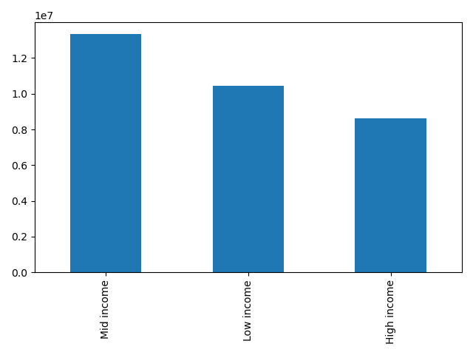
The bar chart displays the different age groups.
Young customers are customers with age less than 40 years.
Middle-aged customers are customers with age more than 40 but less than 65.
Senior customers are customers with age more than 65 years.
It can be clearly seen from the graph that the majority of the Instacart customers are middle-aged.(40 - 65 years).
The bar chart displays the different income groups.
Low income customers are customers with income less than $75000.
Mid income customers are customers with income more than $75000 but less than $125000.
High income customers are customers with income more than $125000 .
It can be clearly seen from the graph that the majority of the Instacart customers are customers with mid income.

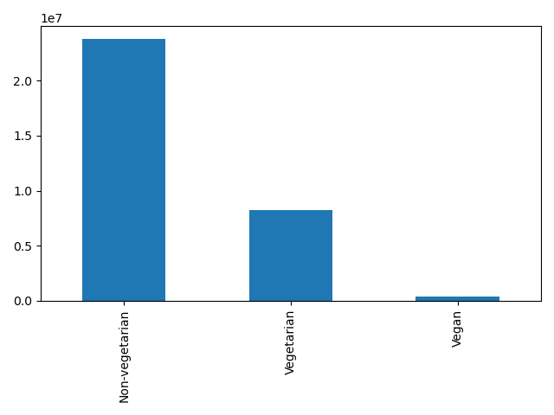
The bar graph displays the different types of diet groups based on the customer's dietry preferences.
The majority of customers are non-vegetarians.
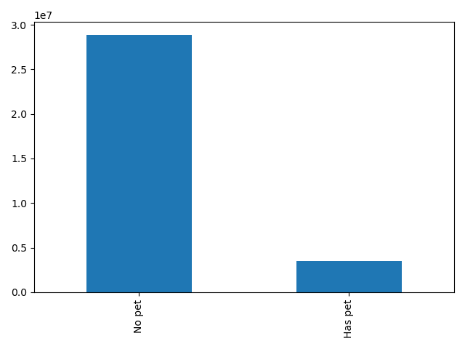

The bar chart dispalys the count of customers with pets and customers without pets.
The majority of customers do not have pets.

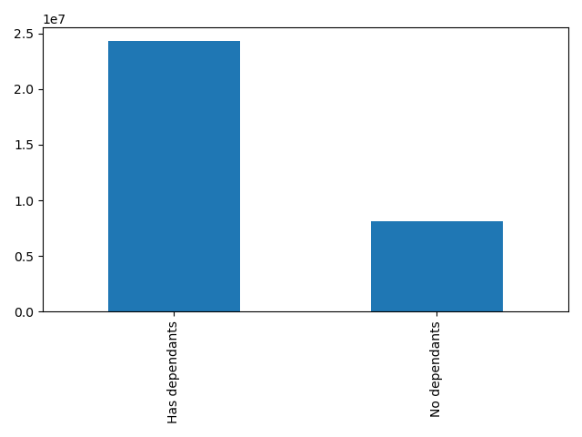
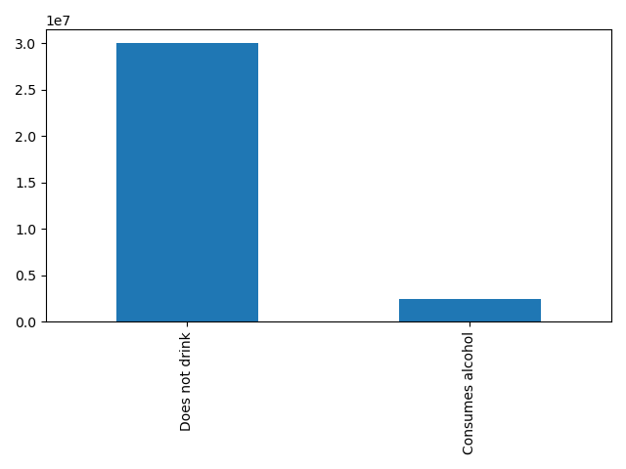

The bar chart dispalys the number of dependants the Instacart customers have.
The number of dependants range from 0 (no dependants) to 3 dependants.
The majority of customers have dependants , ranging from 1 to 3.
The bar graph displays the count of customers who consume alcohol and customers who don't drink.
The majority of customers do not drink alcohol.

5.6 What differences can you find in ordering habits of different customer profiles?

The following visualizations display the different customer profiles (age, income, diet preferences, pet status, number of dependants ) in different regions. It was interesting to see that there are no significant patterns or trends in different regions.

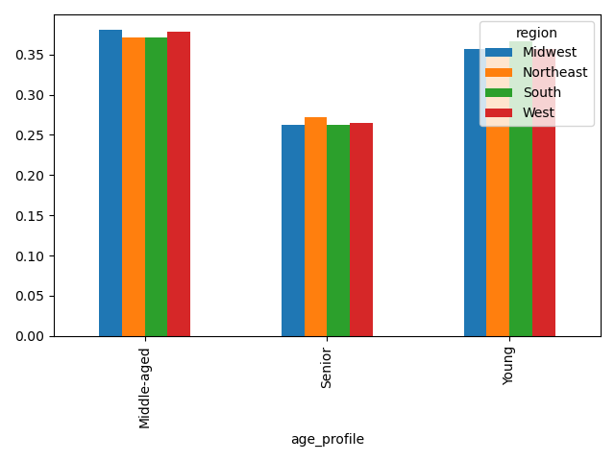
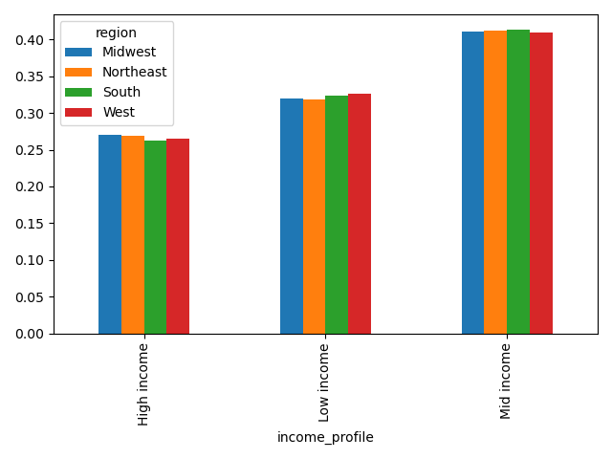
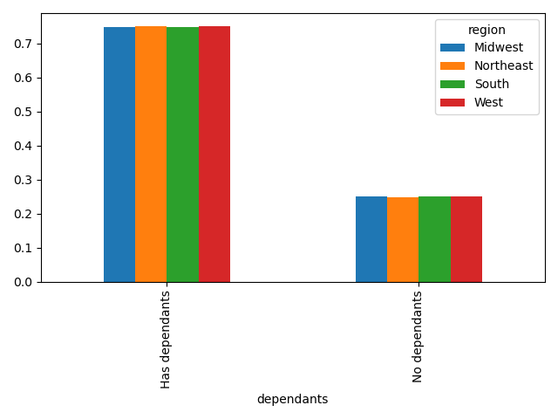

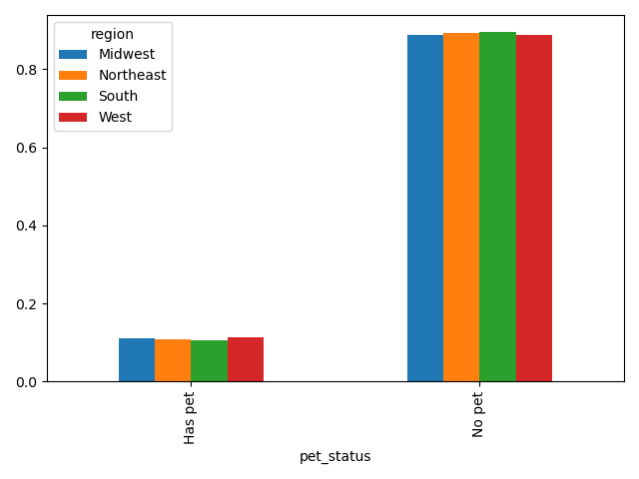
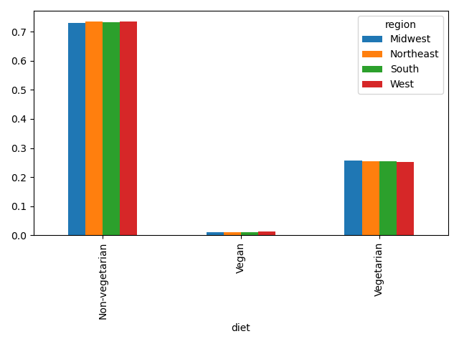
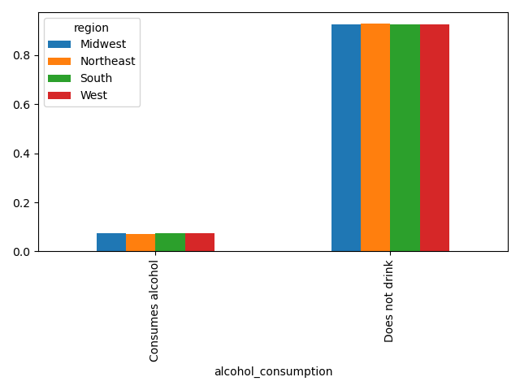

The following visualizations display the ordering patterns of different customer profiles (age, income, diet preferences, pet status, number of dependants ) in different departments. It was interesting to see that there are no significant patterns or trends in different departments.

7. Recommendations
 | Title page

Recommendations

In this tab you should include any recommendations you would made to Instcart in terms of their marketing strategy based on the questions posed in the brief. Every key question has been covered in the Tasks of the Exercises - here you need to add an item - a visualisation or table/crosstable that is showing the answer in the data, acompanied by a comment from you. Please, list the questions below and add the answer underneath.

Key Questions:

1. What are the busiest days of the week and the busiest hours of the day?

 |  | 0 | 1 | 2 | 3 | 4 | 5 | 6
 |  | Saturday | Sunday | Monday | Tuesday | Wednesday | Thursday | Friday

- Saturday and Sunday are the busiest days
- Wednesday and Tuesday are the least busiest days
- Logically, the weekend are the busiest days
- The busiest hours of the day are between 9.00 AM and 4.00 PM
To increase revenue, Instacart should discounts on Tuesdays and Wednesdays between 6.00 PM to 8.00 AM , so as to increase the number of orders on least busy days as well as least busy hours

2. Are there particular times of the day when people spend the most money?



There is a slight difference in the average price of the products.
But we can see that the peak is at 4.00 AM.
Instacart should market high-priced products in the early hours from 4 AM to 7 AM.

3. Instacart has a lot of products with different price tags. Marketing and sales want to use simpler price range groupings to help direct their efforts.

The majority prices of products fall in the mid-range group.
Instacart should market the different range products accordingly to customized customers.

4. Are there certain types of products that are more popular than others? The marketing and sales teams want to know which departments have the highest frequency of product orders.
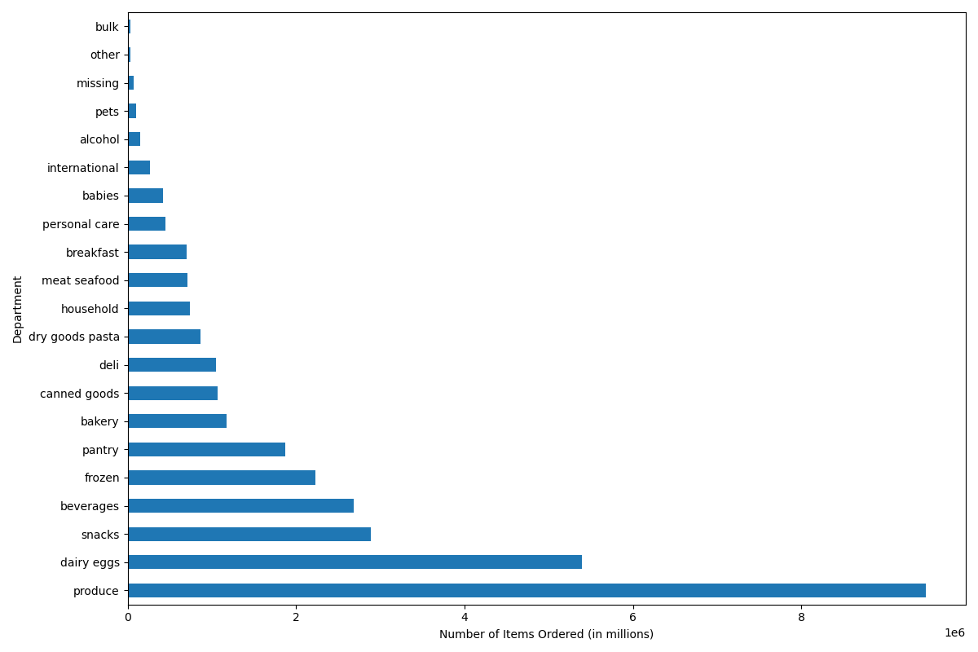

- Most popular departments are 'produce', 'dairy eggs', and 'snacks'
- Although 'meat seafood' have less percentage of sales, naturally the price is more than the popular products
Instacart should market and advertise for the popular products (produce, dairy eggs, snacks) and 'meat seafood'

5.1 What’s the distribution among users in regards to their brand loyalty (i.e., how often do they return to Instacart)?

- Provide loyalty rewards to 'Loyal customers' and 'Regular customers' , so that the loyal customers stay loyal and help convert regular customers as loyal customers
- Provide discounts to 'New customers' , to convert them to regular customers

Regular customers
Loyal customers
New customers

5.2 Are there differences in ordering habits based on a customer’s loyalty status?

- Advertise 'produce', 'dairy eggs', 'snacks', and 'bakery' products to Loyal customers
- Advertise 'pet products', 'alcohol', 'frozen', and 'houseold' products to Regular customers
- Advertise 'dry goods pasta', 'alcohol', 'pantry', and 'meat seafood' products to New customers

5.3 Are there differences in ordering habits based on a customer’s region?

There is no significant changes in the spending pattern across different regions.
Further research and other factors need to be analysed, in order to help Instacart find patterns in spending behaviors across regions.

5.6 What differences can you find in ordering habits of different customer profiles?

- The percentage of 'Vegan' customers are significantly less when compared to the other two groups 'Vegetarians' and 'Non-Vegetarians'.
- This can be because there are not significant amount of vegan friendly products sold
Instacart should sell more 'vegan - friendly' products, so they cater to the dietery preferences of all customers and also to reach a wider audience

